START HERE
TeamImprover - Org Chart Template |  |  | OrgCharts For Excel

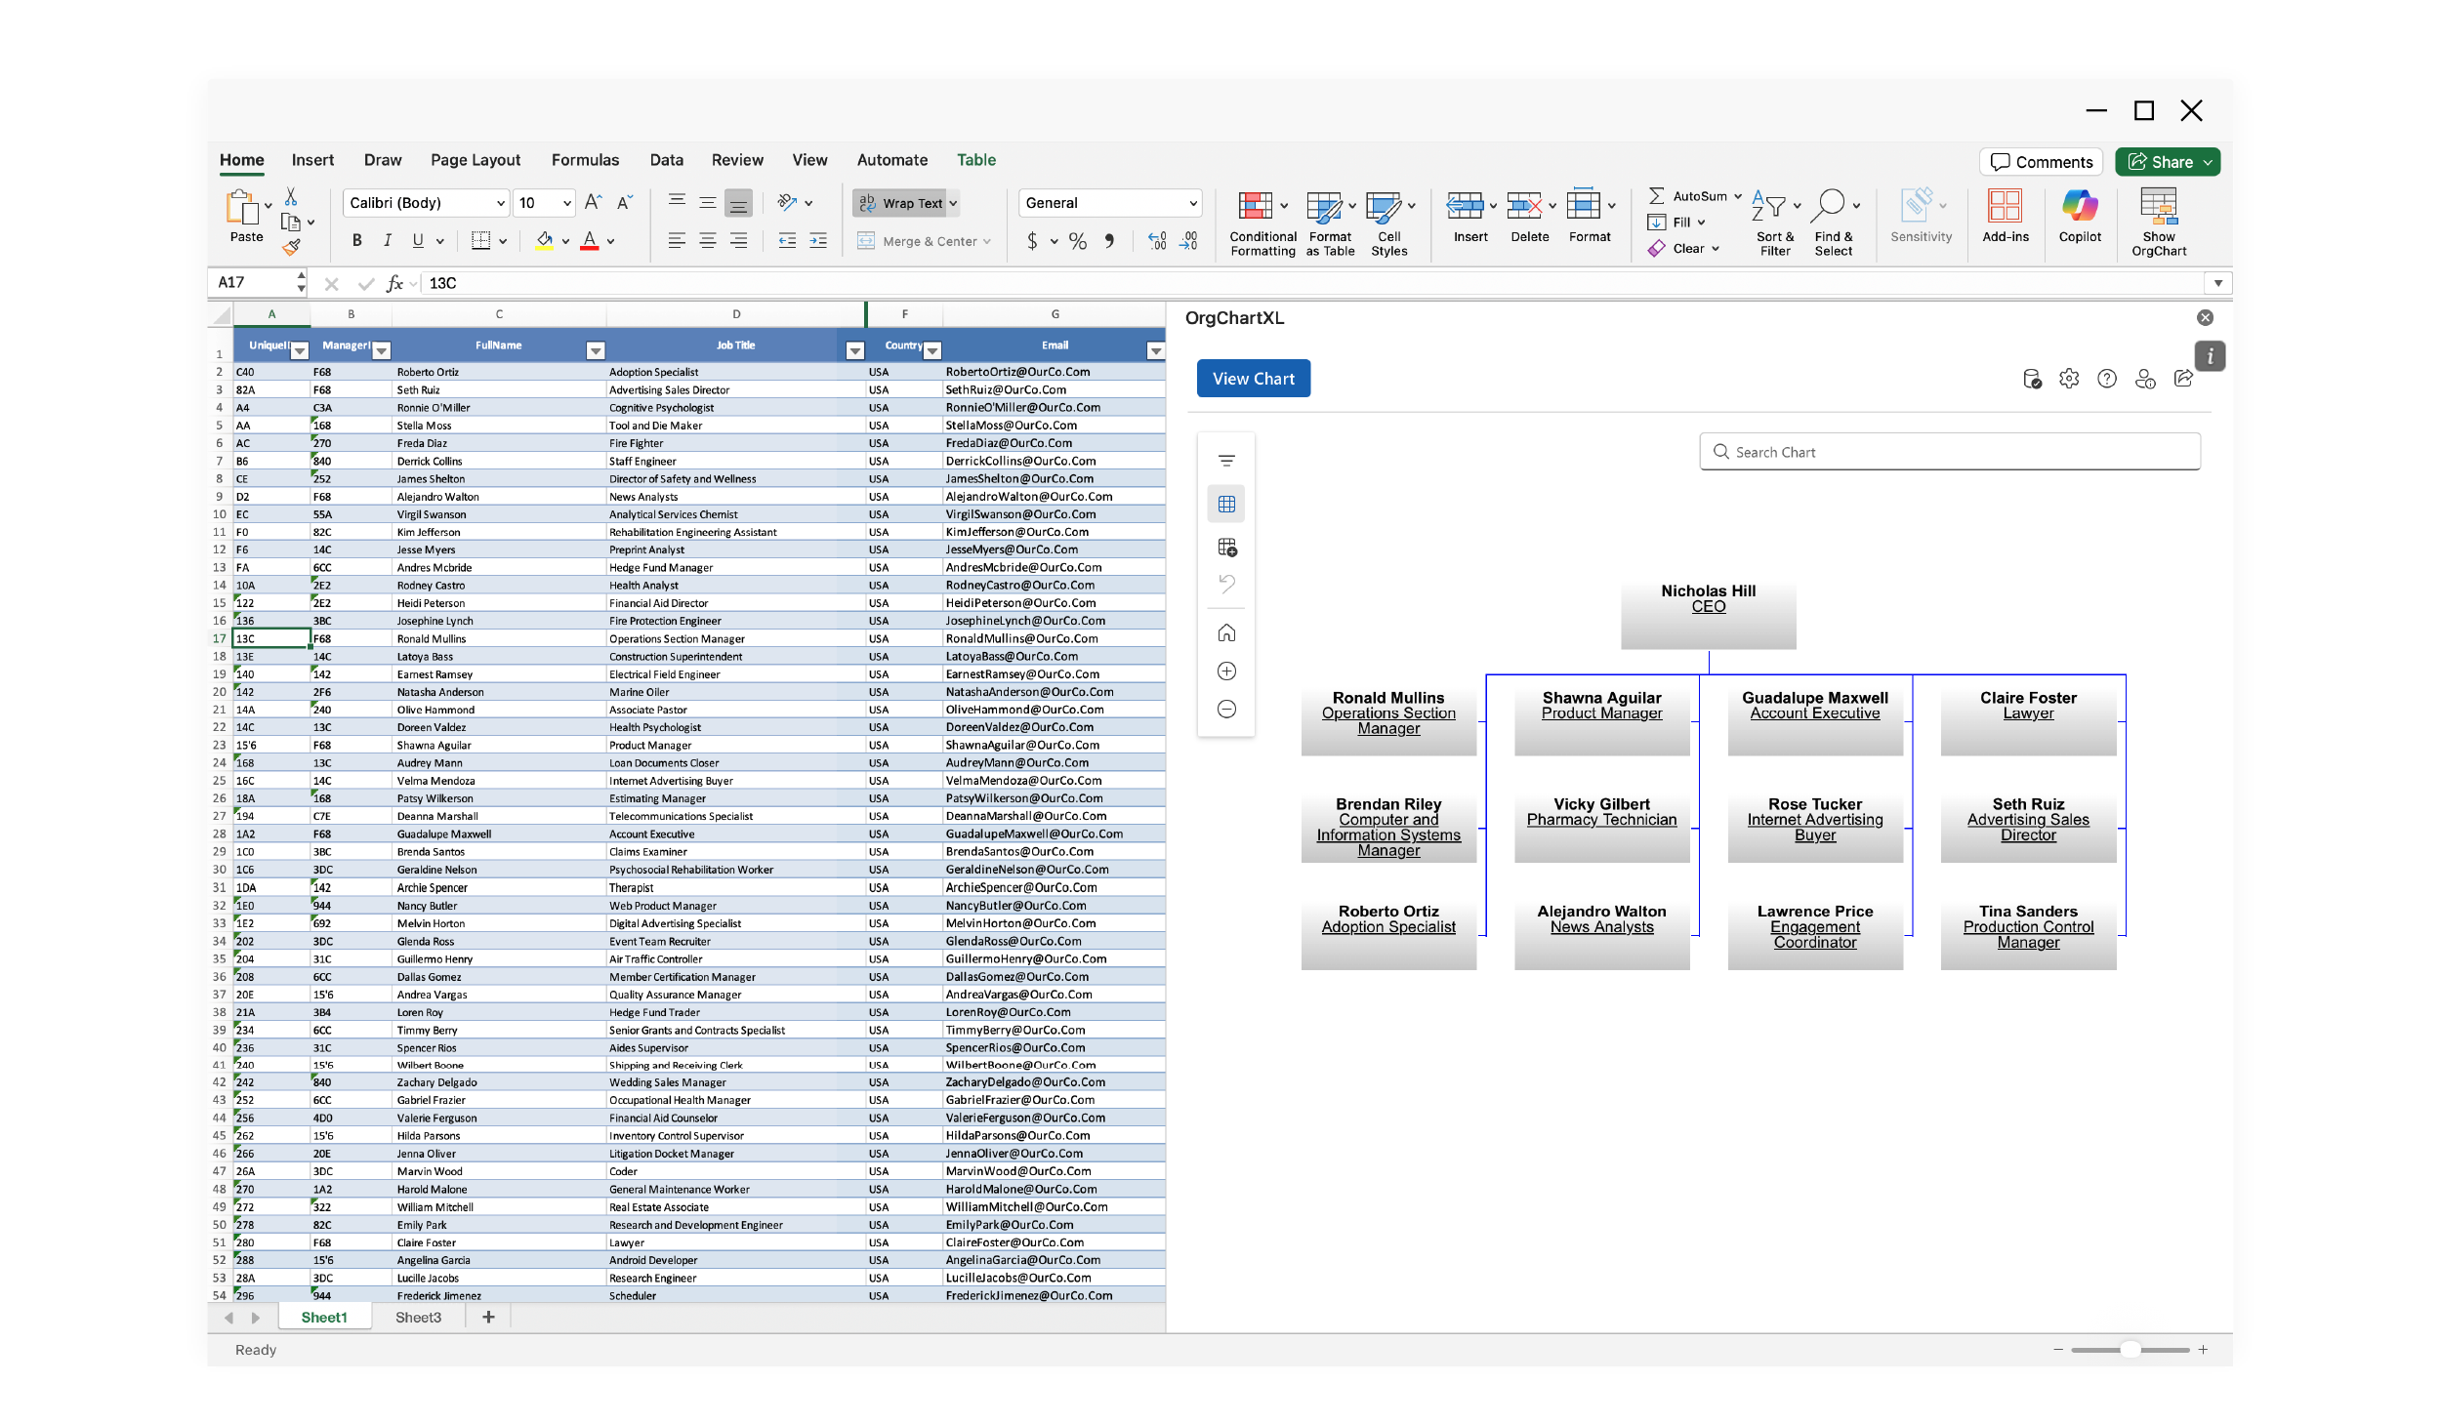
A safe, macro-free workbook for collecting, checking, and exporting organisation hierarchy data which can then be uploaded into TeamOrgChart or Visualised in OrgChart4XL

Quick start

1 | Replace sample people | Open People. Delete the sample values in the blue cells, then paste or type one person per row.
2 | Assign managers | Select a Manager ID from the dropdown. Clear the cell to remove a manager or mark a top-level person.
3 | Resolve warnings | Use Data Quality and Hierarchy Check to find duplicates, missing managers, self-management, and cycles.
4 | Export clean data | Use Chart Export as the source for OrgChart4XL or TeamOrgChart

Manager assignment rules

Employee ID | Required | A unique, stable code for the person.
Manager ID | Optional | Must match another Employee ID. Blank means top-level / no manager.
Change manager | Action | Choose a different Manager ID on the employee's row.
Remove manager | Action | Select the Manager ID cell and press Delete / Backspace. | Turn your employee data into clear, dynamic org charts directly in Excel
Remove employee | Action | Clear that person's blue input cells; then reassign any direct reports flagged by the checks.
 |  |  | Find Out More | https://teamimprover.com/orgchartsforexcel
Workbook map |  |  | Download | https://marketplace.microsoft.com/en-us/product/office/WA200008788?tab=Overview

People | Main editable roster and manager assignment table. |  | TeamOrgChart
Dashboard | Live headcount, manager, hierarchy, and quality indicators.
Chart Export | Clean, formula-driven output table for downstream tools.
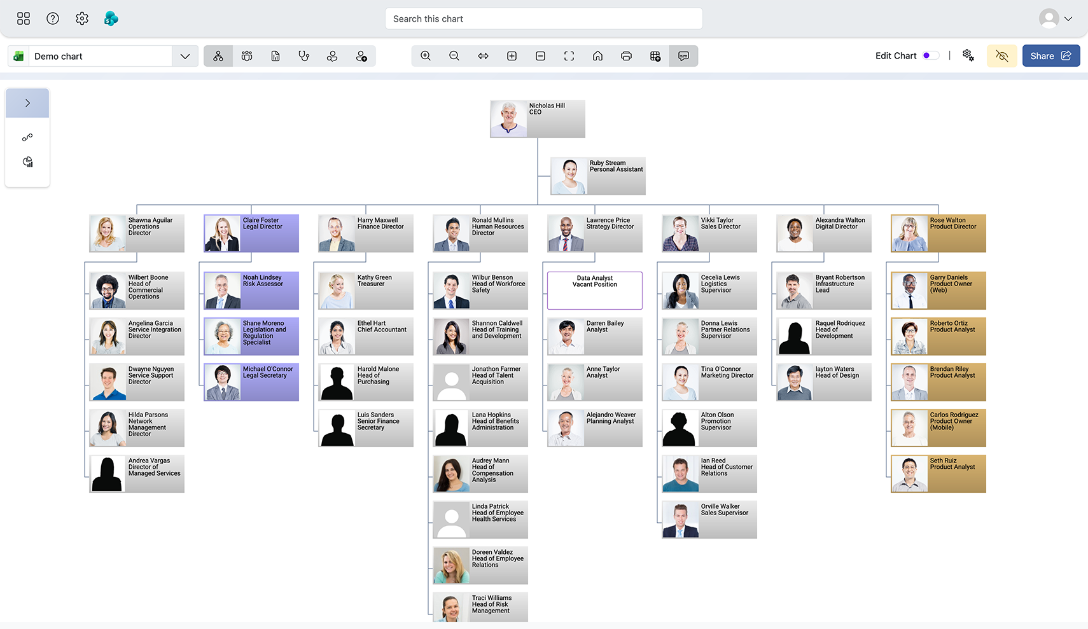
Hierarchy Check | Ten-level chain trace and cycle detection.
Lists | Editable dropdown values and automatic Manager ID list.

 |  |  | Find Out More | https://teamimprover.com/teamorgchart
 |  |  | Get Started | https://teamorgchart.com/account/signin

Dashboard
Org Chart Dashboard
Live summary of the People table. Use the exception counts to decide whether the data is ready to export.

15 |  |  | 8 | 0 |  | 1 | 1 | 14

People |  |  | Managers | Top-level |  | Data issues | On leave | Active

People by department
Quality checks |  |  |  | Headcount by department

Issue | Count | What to do |  | Department | People
Duplicate Employee ID | 0 | Give each person a unique ID. |  | Executive | 3
Missing name | 0 | Enter the person's full name. |  | Engineering | 4
Manager ID not found | 1 | Correct or clear the Manager ID. |  | Product | 2
Employee manages self | 0 | Choose a different manager. |  | Finance | 2
Cycle detected | 0 | Break one reporting line in the loop. |  | People | 2
Manager ID duplicated | 0 | Resolve the duplicate Employee ID first. |  | Sales | 2
 |  |  |  | Marketing | 0
 |  |  |  | Operations | 0
Ready-to-export test |  |  |  | Customer Success | 0
 |  |  |  | Legal | 0
READY — no blocking data issues found |  |  |  | IT | 0
 |  |  |  | Other | 0

